GK Pricer
Legend | User input |  | Valuation model inputs |  |  |  | Vanilla European option results
 |  |  | Field | Value | Units |  | Results | by IR Parity | with FCB | Units
 |  |  | CP | 1 | {-1,1} |  | Option Value | 1,292 | 1,303 | DOM
 |  |  | S0 | 0.66290 | FOR/DOM |  | Option Value Monte Carlo | 1,294 | 1,304 | DOM
 |  |  | K | 0.7882 | FOR/DOM |  | Δspot (spot delta) | 32,405 | 32,627 | DOM
Core / vanilla contractual inputs |  |  | rdomestic_currency (equivalent to r in BSM) | 5.381% | [%] |  | Δforward (forward delta) | 33,966 | 34,199 | DOM
Field | Value | Units | rforeign_currency (equivalent to q in BSM) | 4.660% | [%] |  | Vega | 668 | 672 | DOM
Buy/Sell perspective | Buy |  | σ | 9.81188% | [%] |  | Theta | (9) | (9) | DOM
Strike | 0.7882 | FOR/DOM | T | 1.00957592 | [Years] |  | Gamma | 6,746 | 6,783 | DOM
 |  |  | F | 0.66796 | FOR/DOM |  | Rhoforeign currency | (327) | (329) | DOM
Call/Put perspective | Call FOR, Put DOM |  | μIRP | 0.721% |  |  | Rhodomestic currency | (264) | (266) | DOM
Expiry Date | 3-Jul-2024 | [Date] | μwith_basis | 0.753%
Notional amount | 1,000,000 | [$] | rdomestic_currency_basis_adjusted | 5.4135% | [%] |  | European digital option results
Notional currency | FOR |  | Foreign Currency Notional | 1,000,000 |  |  | Results in Notional Currency | by IR Parity | with FCB | Units
 |  |  | Domestic Currency Notional | 788,200 |  |  | Option Value | 32,405 | 32,380
Exotic contractual inputs |  |  |  |  |  |  | Option Value Monte Carlo | 32,397 | 32,371
Field | Value | Units | Vanilla option helpers
Barrier | 0.6563 | FOR/DOM | Field | by IR Parity | with FCB
 |  |  | d1 | -1.6330 | -1.6296
 |  |  | d2 | -1.7315 | -1.7282

Valuation inputs |  |  | Vanilla European option pricing and analytical greeks
Field | Value | Units | Field | by IR Parity | with FCB | Units
Valuation Date | 30-Jun-2023 |  | Price (in the domestic currency, per 1 unit of foreign currency notional) | 0.12923% | 0.13025% | [DOM]
FX spot price | 0.66290 | FOR/DOM | Δspot (spot delta) | 4.8884% | 4.9219% | [FOR]
FX forward rate | 0.66796 | FOR/DOM | Δforward (forward delta) | 5.1239% | 5.1590% | [FOR]
Volatility | 9.81188% | [%] | Vega (normalised to 1% change in volatility) | 0.000668 | 0.000672 | [DOM]
Foreign currency interest rate | 4.6600% | [%] | Theta (normalised to 1 day) | -0.00000928 | -0.00000936 | [DOM]
Domestic currency interest rate | 5.3810% | [%] | Gamma (normalised to 1% change in spot price) | 1.0177% | 1.0232% | [FOR]
 |  |  | Rhoforeign currency (normalised to 1% change in the foreign currency interest rate) | -0.0003272 | -0.0003294 | [DOM]
 |  |  | Rhodomestic currency (normalised to 1% change in the foreign currency interest rate) | -0.0002642 | -0.0002660 | [DOM]

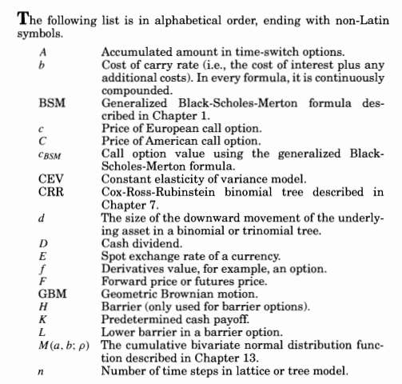
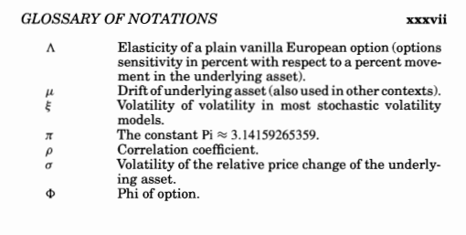
 |  |  | European digital option pricing
 |  |  | Field | by IR Parity | with FCB | Units
 |  |  | % in-the-money | 5.12% | 5.16% | [%]
 |  |  | Discount Factor | 0.9540 | 0.9468
 |  |  | Price in notional currency | 48,884 | 48,846 | FOR
 |  |  | Price in domestic currency | 32,405 | 32,380 | DOM |  |  |  |  | 0.0014672776428 | 0.0014795170064
 |  |  |  |  |  |  |  |  |  |  | 0.0017033849176 | 0.0017158742876
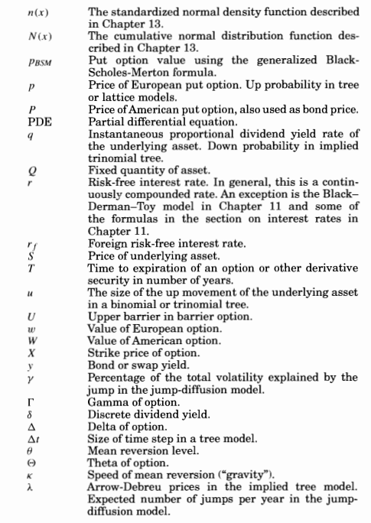
 |  |  |  |  |  |  |  |  |  |  | 0.0016320045732 | 0.0016447016561
 |  |  | Barrier option helpers | by IR Parity | with FCB |  |  |  |  |  | 0.0018779249446 | 0.0018915565438
 |  |  | d1 | 0.2251 | 0.2284 |  |  |  |  |  | 0.0017921453376 | 0.0018061487949
 |  |  | d2 | 0.1265 | 0.1298 |  |  |  |  |  | 0.0018253189733 | 0.0018389746816
 |  |  | d3 | 0.0212 | -0.1298 |  |  |  |  |  | 0.0015432715806 | 0.0015548996208
 |  |  | d4 | -0.0774 | -0.2284 |  |  |  |  |  | 0.0016437287015 | 0.001656479866
 |  |  | H | 0.6563 | FOR/DOM |  |  |  |  |  | 0.0016658196431 | 0.0016787916455
 |  |  |  |  |  |  |  |  |  |  | 0.0016911077882 | 0.0017045660847
 |  |  | Down and In | -0.06477093317 |  | [DOM] |  |  |  |  | 0.0016220943472 | 0.0016345762457
 |  |  |  |  |  |  |  |  |  |  | 0.0016221872721 | 0.0016347745979
 |  |  |  | by IR Parity | with FCB | Units |  |  |  |  | 0.0016627244121 | 0.001675275724
 |  |  |  | 0.0012922593417 |  | [DOM] |  |  |  |  | 0.0015588780318 | 0.0015707507781
 |  |  |  |  |  |  |  |  |  |  | 0.0017080168266 | 0.0017206320208
 |  |  |  |  |  |  |  |  |  |  | 0.0014419433467 | 0.0014538227013
 |  |  |  |  |  |  |  |  |  |  | 0.0016478996656 | 0.0016611726823
 |  |  |  |  |  |  |  |  |  |  | 0.0015054345372 | 0.001517927341
 |  |  |  |  |  |  |  |  |  |  | 0.00182182806 | 0.0018360754334
 |  |  |  |  |  |  |  |  |  |  | 0.0015925585183 | 0.001605343866
 |  |  |  |  |  |  |  |  |  |  | 0.0018112197168 | 0.0018255063201
 |  |  |  |  |  |  |  |  |  |  | 0.001515533995 | 0.0015281188925
 |  |  |  |  |  |  |  |  |  |  | 0.00179462266 | 0.001807699765
 |  |  |  |  |  |  |  |  |  |  | 0.0014281072672 | 0.001439427125
 |  |  |  |  |  |  |  |  |  |  | 0.0013709865447 | 0.0013826116979
 |  |  |  |  |  |  |  |  |  |  | 0.00140731723 | 0.0014188571683
 |  |  |  |  |  |  |  |  |  |  | 0.0015217850712 | 0.0015341275074
 |  |  |  |  |  |  |  |  |  |  | 0.0015554140854 | 0.0015669150574
 |  |  |  |  |  |  |  |  |  |  | 0.0015383421613 | 0.0015505589173
 |  |  |  |  |  |  |  |  |  |  | 0.0016017089305 | 0.0016135880941
 |  |  |  |  |  |  |  |  |  |  | 0.0019408019968 | 0.0019551301087
 |  |  |  |  |  |  |  |  |  |  | 0.0017241737127 | 0.0017368589944
 |  |  |  |  |  |  |  |  |  |  | 0.00153219548 | 0.0015450276954
 |  |  |  |  |  |  |  |  |  |  | 0.0015699934798 | 0.0015821179823
 |  |  |  |  |  |  |  |  |  |  | 0.0016432133602 | 0.0016557187558
 |  |  |  |  |  |  |  |  |  |  | 0.0015382133364 | 0.001550506
 |  |  |  |  |  |  |  |  |  |  | 0.0017310319126 | 0.0017441461175
 |  |  |  |  |  |  |  |  |  |  | 0.001671551253 | 0.0016842098292
 |  |  |  |  |  |  |  |  |  |  | 0.0015529444425 | 0.0015648730045
 |  |  |  |  |  |  |  |  |  |  | 0.0016852810777 | 0.0016986030724
 |  |  |  |  |  |  |  |  |  |  | 0.0016631043334 | 0.0016757949595
 |  |  |  |  |  |  |  |  |  |  | 0.0016606670744 | 0.0016740941438
 |  |  |  |  |  |  |  |  |  |  | 0.0017501490728 | 0.0017630445403
 |  |  |  |  |  |  |  |  |  |  | 0.0014836990043 | 0.0014958135599
 |  |  |  |  |  |  |  |  |  |  | 0.0013949460737 | 0.001406521124
 |  |  |  |  |  |  |  |  |  |  | 0.0015383123099 | 0.0015499609435
 |  |  |  |  |  |  |  |  |  |  | 0.0016700242376 | 0.0016822203634
 |  |  |  |  |  |  |  |  |  |  | 0.0016300406557 | 0.0016421955203
 |  |  |  |  |  |  |  |  |  |  | 0.0015191886901 | 0.0015301727227
 |  |  |  |  |  |  |  |  |  |  | 0.0015816296088 | 0.0015940197625
 |  |  |  |  |  |  |  |  |  |  | 0.0015201710711 | 0.0015333829901
 |  |  |  |  |  |  |  |  |  |  | 0.0016210444378 | 0.0016336538774
 |  |  |  |  |  |  |  |  |  |  | 0.0016004082527 | 0.0016121735656
 |  |  |  |  |  |  |  |  |  |  | 0.0018102607389 | 0.0018232668172
 |  |  |  |  |  |  |  |  |  |  | 0.0015657655135 | 0.0015786793036
 |  |  |  |  |  |  |  |  |  |  | 0.001619074336 | 0.0016319064419
 |  |  |  |  |  |  |  |  |  |  | 0.0014299056761 | 0.0014414828749
 |  |  |  |  |  |  |  |  |  |  | 0.0013832878373 | 0.0013946440697
 |  |  |  |  |  |  |  |  |  |  | 0.0017962402806 | 0.0018095359294
 |  |  |  |  |  |  |  |  |  |  | 0.001686939286 | 0.0017003180563
 |  |  |  |  |  |  |  |  |  |  | 0.0017255252484 | 0.0017384946515
 |  |  |  |  |  |  |  |  |  |  | 0.0016894038718 | 0.0017024224941
 |  |  |  |  |  |  |  |  |  |  | 0.001769886396 | 0.0017826750413
 |  |  |  |  |  |  |  |  |  |  | 0.0016959276854 | 0.0017088151651
 |  |  |  |  |  |  |  |  |  |  | 0.001719333418 | 0.0017317761524
 |  |  |  |  |  |  |  |  |  |  | 0.0016456390104 | 0.0016577025488
 |  |  |  |  |  |  |  |  |  |  | 0.00185812222 | 0.0018709182981
 |  |  |  |  |  |  |  |  |  |  | 0.0017372524554 | 0.0017510706759
 |  |  |  |  |  |  |  |  |  |  | 0.0017438241561 | 0.0017560224166
 |  |  |  |  |  |  |  |  |  |  | 0.0017058730993 | 0.0017190362454
 |  |  |  |  |  |  |  |  |  |  | 0.0017789727788 | 0.0017917070383
 |  |  |  |  |  |  |  |  |  |  | 0.0018137563671 | 0.0018275469373
 |  |  |  |  |  |  |  |  |  |  | 0.0014502642879 | 0.0014619948876
 |  |  |  |  |  |  |  |  |  |  | 0.0017622482526 | 0.0017745794329
 |  |  |  |  |  |  |  |  |  |  | 0.001644877844 | 0.0016570669926
 |  |  |  |  |  |  |  |  |  |  | 0.0014770074919 | 0.0014887851691
 |  |  |  |  |  |  |  |  |  |  | 0.0019009519111 | 0.001915074664
 |  |  |  |  |  |  |  |  |  |  | 0.0016085217062 | 0.0016211167962
 |  |  |  |  |  |  |  |  |  |  | 0.0016822801333 | 0.0016943616694
 |  |  |  |  |  |  |  |  |  |  | 0.0017551597864 | 0.0017687421539
 |  |  |  |  |  |  |  |  |  |  | 0.0018618335546 | 0.0018757148175
 |  |  |  |  |  |  |  |  |  |  | 0.0016067620946 | 0.0016184678179
 |  |  |  |  |  |  |  |  |  |  | 0.0015167517415 | 0.0015288682015
 |  |  |  |  |  |  |  |  |  |  | 0.0015615092049 | 0.0015733128839
 |  |  |  |  |  |  |  |  |  |  | 0.0016940985112 | 0.001706755652
 |  |  |  |  |  |  |  |  |  |  | 0.0018523499913 | 0.0018661632199
 |  |  |  |  |  |  |  |  |  |  | 0.0017333820621 | 0.001746019657
 |  |  |  |  |  |  |  |  |  |  | 0.001632765467 | 0.0016450855616
 |  |  |  |  |  |  |  |  |  |  | 0.0019813045944 | 0.0019958510371
 |  |  |  |  |  |  |  |  |  |  | 0.0016272053502 | 0.0016392870795
 |  |  |  |  |  |  |  |  |  |  | 0.0017901271513 | 0.0018035960797
 |  |  |  |  |  |  |  |  |  |  | 0.0015432990295 | 0.001554493207
 |  |  |  |  |  |  |  |  |  |  | 0.0016987630076 | 0.0017113649592
 |  |  |  |  |  |  |  |  |  |  | 0.0017335680837 | 0.0017465472329
 |  |  |  |  |  |  |  |  |  |  | 0.0016732027469 | 0.0016851210763
 |  |  |  |  |  |  |  |  |  |  | 0.0015283151537 | 0.0015399198366
 |  |  |  |  |  |  |  |  |  |  | 0.0018735758925 | 0.0018875555759
 |  |  |  |  |  |  |  |  |  |  | 0.0017363883246 | 0.0017488518515
 |  |  |  |  |  |  |  |  |  |  | 0.0017239224647 | 0.0017373482441
 |  |  |  |  |  |  |  |  |  |  | 0.0016016751699 | 0.0016138465612
 |  |  |  |  |  |  |  |  |  |  | 0.0016728381351 | 0.0016854711606
 |  |  |  |  |  |  |  |  |  |  | 0.0017042745931 | 0.0017176952819
 |  |  |  |  |  |  |  |  |  |  | 0.001521155315 | 0.0015341535445
 |  |  |  |  |  |  |  |  |  |  | 0.0016249518073 | 0.0016375976892
 |  |  |  |  |  |  |  |  |  |  | 0.0015633826115 | 0.0015769494957
 |  |  |  |  |  |  |  |  |  |  | 0.0015273451939 | 0.0015394372137
 |  |  |  |  |  |  |  |  |  |  | 0.0015678950671 | 0.0015803438547
 |  |  |  |  |  |  |  |  |  |  | 0.0016713887394 | 0.0016837903368
 |  |  |  |  |  |  |  |  |  |  | 0.0016094001307 | 0.0016217421811
 |  |  |  |  |  |  |  |  |  |  | 0.0016700883362 | 0.0016834480408
 |  |  |  |  |  |  |  |  |  |  | 0.0016237378084 | 0.0016357863771
 |  |  |  |  |  |  |  |  |  |  | 0.0018631320496 | 0.0018776161161
 |  |  |  |  |  |  |  |  |  |  | 0.0015234360391 | 0.0015360625466
 |  |  |  |  |  |  |  |  |  |  | 0.0014322277434 | 0.0014426604042
 |  |  |  |  |  |  |  |  |  |  | 0.0015367034166 | 0.0015494313745
 |  |  |  |  |  |  |  |  |  |  | 0.0016930245024 | 0.0017053529465
 |  |  |  |  |  |  |  |  |  |  | 0.0015289214724 | 0.0015411169748
 |  |  |  |  |  |  |  |  |  |  | 0.0016002983378 | 0.0016127364019
 |  |  |  |  |  |  |  |  |  |  | 0.0017445322841 | 0.00175759087
 |  |  |  |  |  |  |  |  |  |  | 0.0014996125279 | 0.0015122574905
 |  |  |  |  |  |  |  |  |  |  | 0.0017958727436 | 0.0018091457603
 |  |  |  |  |  |  |  |  |  |  | 0.0020092778636 | 0.0020232617772
 |  |  |  |  |  |  |  |  |  |  | 0.0017434187213 | 0.0017568726813
 |  |  |  |  |  |  |  |  |  |  | 0.0017236442251 | 0.0017362805288
 |  |  |  |  |  |  |  |  |  |  | 0.0015663283629 | 0.0015792113266
 |  |  |  |  |  |  |  |  |  |  | 0.0015741975873 | 0.0015867481935
 |  |  |  |  |  |  |  |  |  |  | 0.0016408112723 | 0.0016543046265
 |  |  |  |  |  |  |  |  |  |  | 0.0017389118973 | 0.0017505196646
 |  |  |  |  |  |  |  |  |  |  | 0.0015423849044 | 0.0015547768646
 |  |  |  |  |  |  |  |  |  |  | 0.0015415857549 | 0.0015543779935
 |  |  |  |  |  |  |  |  |  |  | 0.0017556123043 | 0.0017683447934
 |  |  |  |  |  |  |  |  |  |  | 0.0016551200047 | 0.0016685035876
 |  |  |  |  |  |  |  |  |  |  | 0.001658659592 | 0.0016712513843
 |  |  |  |  |  |  |  |  |  |  | 0.0013960392701 | 0.0014080435034
 |  |  |  |  |  |  |  |  |  |  | 0.001615054918 | 0.0016281810009
 |  |  |  |  |  |  |  |  |  |  | 0.0017555087799 | 0.0017683639823
 |  |  |  |  |  |  |  |  |  |  | 0.0015082046538 | 0.0015204726509
 |  |  |  |  |  |  |  |  |  |  | 0.0016822089237 | 0.0016951296951
 |  |  |  |  |  |  |  |  |  |  | 0.0014492309716 | 0.0014609749279
 |  |  |  |  |  |  |  |  |  |  | 0.0015696373821 | 0.0015815340256
 |  |  |  |  |  |  |  |  |  |  | 0.0013178066728 | 0.0013292793636
 |  |  |  |  |  |  |  |  |  |  | 0.0018900512943 | 0.0019036181785
 |  |  |  |  |  |  |  |  |  |  | 0.0015781682246 | 0.0015905440666
 |  |  |  |  |  |  |  |  |  |  | 0.0015224867362 | 0.0015360050757
 |  |  |  |  |  |  |  |  |  |  | 0.001848628317 | 0.0018619275853
 |  |  |  |  |  |  |  |  |  |  | 0.0014972846135 | 0.0015097127153
 |  |  |  |  |  |  |  |  |  |  | 0.0018003190682 | 0.0018139009565
 |  |  |  |  |  |  |  |  |  |  | 0.0017297491776 | 0.0017426793488
 |  |  |  |  |  |  |  |  |  |  | 0.0015603110479 | 0.0015715118163
 |  |  |  |  |  |  |  |  |  |  | 0.0018000824646 | 0.001813489445
 |  |  |  |  |  |  |  |  |  |  | 0.0017105963354 | 0.0017230591262
 |  |  |  |  |  |  |  |  |  |  | 0.0015268206068 | 0.0015391000994
 |  |  |  |  |  |  |  |  |  |  | 0.0016454714488 | 0.0016581618995
 |  |  |  |  |  |  |  |  |  |  | 0.0013847115958 | 0.0013957989608
 |  |  |  |  |  |  |  |  |  |  | 0.0018014794711 | 0.0018136678648
 |  |  |  |  |  |  |  |  |  |  | 0.0014568868847 | 0.001469439191
 |  |  |  |  |  |  |  |  |  |  | 0.0016499691648 | 0.0016622758886
 |  |  |  |  |  |  |  |  |  |  | 0.0016842570746 | 0.0016956875335
 |  |  |  |  |  |  |  |  |  |  | 0.0014303519846 | 0.0014425474871
 |  |  |  |  |  |  |  |  |  |  | 0.0015806523152 | 0.0015922158223
 |  |  |  |  |  |  |  |  |  |  | 0.0018049015573 | 0.0018182487306
 |  |  |  |  |  |  |  |  |  |  | 0.0015997600592 | 0.0016126584378
 |  |  |  |  |  |  |  |  |  |  | 0.0016358042036 | 0.0016491608376
 |  |  |  |  |  |  |  |  |  |  | 0.0017335069406 | 0.0017459266505
 |  |  |  |  |  |  |  |  |  |  | 0.0016684386598 | 0.0016807321181

